Dashboard
 |  |  | Open Telekom Cloud - VPC

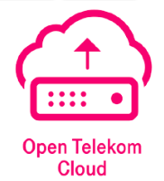

 |  | Test Case Summary |  |  |  | Testing Details

OTC-VPC |  |  |  |  | Created By: | Sachin Jagtap
 |  |  |  |  | Execution Start Date: |  | Execution End Date:

Sr No. | Interface Name |  |  | Test Case(s) | Pass | Fail | Partially passed | Concern
1 | Resource (otc_vpc) |  |  | 42 | 0 | 0 | 0 | 0
2 | Datasource (otc_vpc) |  |  | 14 | 0 | 0 | 0 | 0

